Summary and Charts
Statistics | Charts | Trades | Formula | Settings | Symbols | Monte Carlo |  |  |  | 1. Portfolio Equity

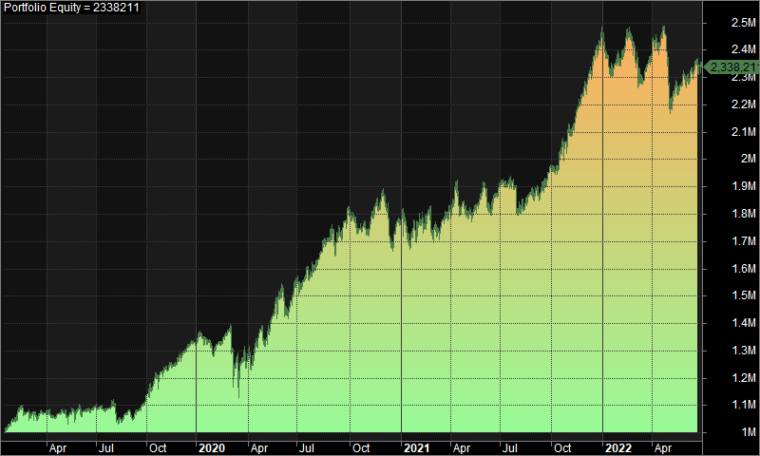
Statistics
 | All trades | Long trades | Short trades
Initial capital | 1000000 | 1000000 | 1000000
Ending capital | 2338210.54 | 1000000 | 2338210.54
Net Profit | 1338210.54 | 0 | 1338210.54
Net Profit % | 133.82% | 0.00% | 133.82%
Exposure % | 4.54% | 0.00% | 4.54%
Net Risk Adjusted Return % | 2948.51% | N/A | 2948.51%
Annual Return % | 27.87% | 0.00% | 27.87%
Risk Adjusted Return % | 614.10% | N/A | 614.10%
Total transaction costs | 634208.65 | 0 | 634208.65

All trades | 518 | 0 (0.00 %) | 518 (100.00 %)
Avg. Profit/Loss | 2583.42 | N/A | 2583.42
Avg. Profit/Loss % | 5.58% | N/A | 5.58%
Avg. Bars Held | 118.62 | N/A | 118.62

Winners | 244 (47.10 %) | 0 (0.00 %) | 244 (47.10 %)
Total Profit | 5377186.47 | 0 | 5377186.47
Avg. Profit | 22037.65 | N/A | 22037.65
Avg. Profit % | 40.21% | N/A | 40.21%
Avg. Bars Held | 183.45 | N/A | 183.45
Max. Consecutive | 7 | 0 | 7
Largest win | 100755.7 | 0 | 100755.7
# bars in largest win | 420 | 0 | 420 | 2. Underwater Equity

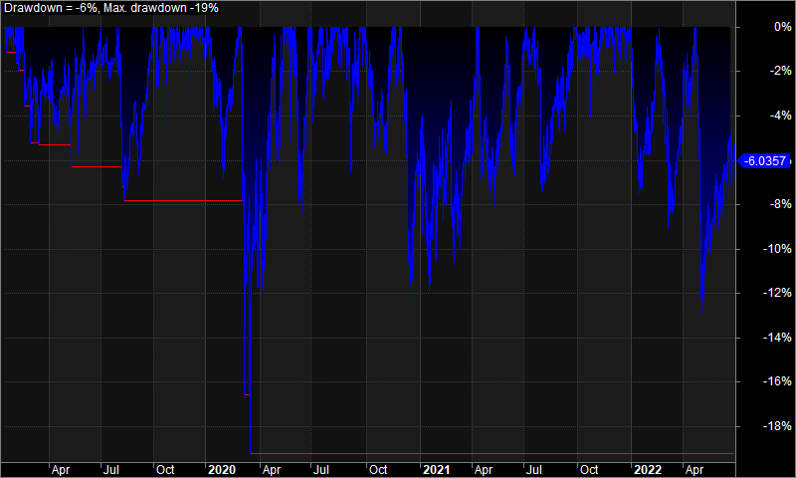
Losers | 274 (52.90 %) | 0 (0.00 %) | 274 (52.90 %)
Total Loss | -4038975.93 | 0 | -4038975.93
Avg. Loss | -14740.79 | N/A | -14740.79
Avg. Loss % | -25.26% | N/A | -25.26%
Avg. Bars Held | 60.89 | N/A | 60.89
Max. Consecutive | 11 | 0 | 11
Largest loss | -99003.88 | 0 | -99003.88
# bars in largest loss | 100 | 0 | 100

Max. trade drawdown | -123449.28 | 0 | -123449.28
Max. trade % drawdown | -98.09 | 0 | -98.09
Max. system drawdown | -321268.93 | 0 | -321268.93
Max. system % drawdown | -19.24% | 0.00% | -19.24%
Recovery Factor | 4.17 | N/A | 4.17
CAR/MaxDD | 1.45 | N/A | 1.45
RAR/MaxDD | 31.92 | N/A | 31.92
Profit Factor | 1.33 | N/A | 1.33
Payoff Ratio | 1.5 | N/A | 1.5
Standard Error | 98338.83 | 0 | 98338.83
Risk-Reward Ratio | 4.41 | N/A | 4.41
Ulcer Index | 4.45 | 0 | 4.45
Ulcer Performance Index | 5.05 | N/A | 5.05
Sharpe Ratio of trades | 1.67 | 0 | 1.67
K-Ratio | 0.02 | N/A | 0.02
 |  |  |  | 3. Profit Table

 |  |  |  | Year | Jan | Feb | Mar | Apr | May | Jun | Jul | Aug | Sep | Oct | Nov | Dec | Yr%
 |  |  |  | 2019 | 4.70% | 1.00% | 1.60% | 1.00% | 1.00% | 0.00% | 0.50% | -2.60% | 5.50% | 8.10% | 3.70% | 5.00% | 33.20%
 |  |  |  | 2020 | -3.30% | 7.80% | -8.60% | 8.30% | 5.10% | 7.50% | 3.10% | 7.90% | 4.90% | -4.90% | 8.40% | -5.50% | 32.50%
 |  |  |  | 2021 | -2.80% | 1.50% | 5.00% | -1.00% | 2.70% | 2.60% | -0.20% | -1.30% | 5.00% | 3.70% | 9.50% | 9.20% | 38.80%
 |  |  |  | 2022 | -3.80% | 2.50% | -2.40% | 2.70% | -4.80% | 1.40% | N/A | N/A | N/A | N/A | N/A | N/A | -4.60%
 |  |  |  | Avg | -1.30% | 3.20% | -1.10% | 2.80% | 1.00% | 2.90% | 1.10% | 1.30% | 5.10% | 2.30% | 7.20% | 2.90%

